Sheet2
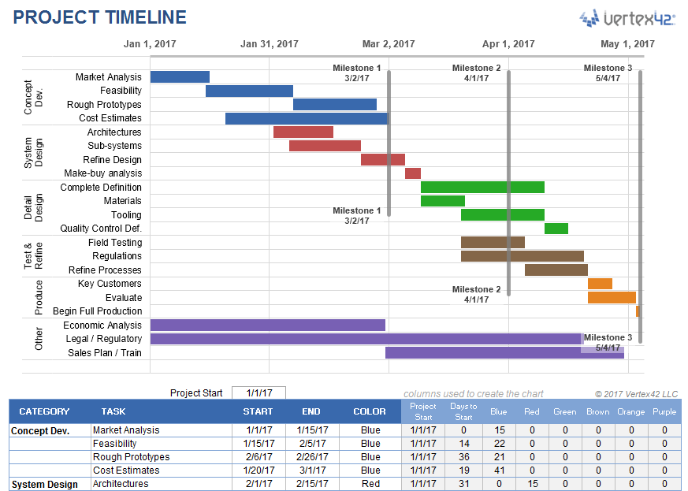

Category | Task | Color | Start | End
Define |  | Blue
 | Meet with Business & discover the problem that needs improvement |  | 2020-01-13 | 2020-01-14
 | Identitfy the business stakeholders |  | 2020-01-14 | 2020-01-14
 | Create problem definition worksheet |  | 2020-01-15 | 2020-01-15
 | Document the current process |  | 2020-01-16 | 2020-01-21
 | Define Success criteria |  | 2020-01-22 | 2020-01-22
 |  |  | 2020-01-22 | 2020-01-23
 |  |  | 2020-01-23 | 2020-01-23
Measure |  | Green
 | Identify potential inputs
 | Develop oprational definition
 | Collect Baseline Data
 | Validate measurement system
 | Calculate SQL

Analyze |  | Red
 | Analyze Current Process
 | Discover root cause
 | Priotize Critical inputs
 | Determine impact on the Output

Improve |  | Orange
 | Propose potential solutions
 | Select best solution
 | Prepare RACI chart
 | Measure results
 | Document new process
Control |  | Pink
 | Implement process changes
 | Verify results
 | monitor performance of the solution
 | Implement process for other user groups
 | Prepare troubleshooting guide
 | Train the Trainers (Business stakeholders)

Problem Definition Statement
Process Starts
High Level - Project Plan
Category | Task | Proposed Start Date | Proposed End Date
Define |  | 1/14/2020 | 1/21/2020 |  | Concurrent Process
 | Meet with Business & discover the problem that needs improvement
 | Identitfy the business stakeholders
Commisions Type
Eligibility Criteria
AE Hierachy Setup
Commisions Scale Setup
 | Create problem definition worksheet
 | Document the current process
 | Define Success criteria
Measure |  | 1/21/2020 | 1/27/2020
 | Identify potential inputs
 | Develop oprational definition
Upload Monthly Sales Data - SalesOps Team
 | Collect Baseline Data
 | Validate measurement system
 | Calculate SQL
Analyze |  | 1/28/2020 | 2/11/2020
Files
 | Analyze Current Process
 | Discover root cause
Month End Consolidation - Accounting Team
 | Priotize Critical inputs
 | Determine impact on the Output
Improve |  | 2/12/2020 | 2/25/2020
 | Propose potential solutions
 | Select best solution
 | Prepare RACI chart
 | Measure results against SQL Values
Eligible for Commision
Prepare Payout Plan & Upload Journals EIB
 | Document new process
Control |  | 2/26/2020 | 3/10/2020
 | Recommend process changes
 | Verify results
 | Monitor performance of the solution |  |  |  | Yes
 | Solution process for other user groups (Pre-Sales, Customer Success, etc.)
 | Prepare troubleshooting guide
Commision Payout & Statement Sent
 | Train the Trainers (Business stakeholders) |  |  | No
No Commision Paid

